Treatment List & Map
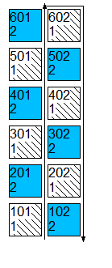
Reps: 6 |  |  |  |  |  |  |  |  |  |  |  | Plots: 5 by 40 feet
Appl. Amount: 100 GAL/AC |  |  |  |  |  |  |  |  |  |  |  | Mix Size: 7.64 L
Trt | Treatment | Form |  | Rate | Appl | Amt Product | Rep
No. | Name | Type | Rate | Unit | Code | to Measure | 1 | 2 | 3 | 4 | 5 | 6
1 | Untreated Check |  |  |  |  |  | 101 | 202 | 301 | 402 | 501 | 602
2 | Warm Safflina | L | 0.214 | gal/a | A | 22.31 mL/mx | 102 | 201 | 302 | 401 | 502 | 601
 | Electric Safflina | L | 0.107 | gal/a | B | 11.16 mL/mx

Figures
Phytotoxicity (%)
Trt | Treatment |  | Rate | Appl | 7/2/2023 |  | 7/13/2023 |  | 7/28/2023 |  | 8/11/2023 |  | 8/25/2023 |  | 9/8/2023 |  | 9/19/2023
No. | Name | Rate | Unit | Code | 2 DA-A |  | 13 DA-A |  | 28 DA-A |  | 42 DA-A |  | 56 DA-A |  | 14 DA-B |  | 25 DA-B
1 | Untreated Check |  |  |  | 0% | a | 0% | a | 0% | a | 0% | a | 0% | a | 0% | a | 0% | a
2 | Warm Safflina | 0.214 | gal/a | A | 0% | a | 0% | a | 0% | a | 0% | a | 0% | a | 0% | a | 0% | a
 | Electric Safflina | 0.107 | gal/a | B

 | 2 DA-A | 13 DA-A | 28 DA-A | 42 DA-A | 56 DA-A | 14 DA-B | 25 DA-B
Untreated Check | 5.0 | 5.0 | 5.0 | 5.0 | 5.0 | 5.2 | 5.0
Warm Safflina + Electric Safflina | 5.0 | 5.0 | 5.0 | 5.0 | 4.8 | 4.8 | 4.8

Vigor (0-10)
Trt | Treatment |  | Rate | Appl | 7/2/2023 |  | 7/13/2023 |  | 7/28/2023 |  | 8/11/2023 |  | 8/25/2023 |  | 9/8/2023 |  | 9/19/2023
No. | Name | Rate | Unit | Code | 2 DA-A |  | 13 DA-A |  | 28 DA-A |  | 42 DA-A |  | 56 DA-A |  | 14 DA-B |  | 25 DA-B
1 | Untreated Check |  |  |  | 5.0 | a | 5.0 | a | 5.0 | a | 5.0 | a | 5.0 | a | 5.2 | a | 5.0 | a
2 | Warm Safflina | 0.214 | gal/a | A | 5.0 | a | 5.0 | a | 5.0 | a | 5.0 | a | 4.8 | a | 4.8 | a | 4.8 | a
 | Electric Safflina | 0.107 | gal/a | B

 | 13 DA-A | 28 DA-A | 42 DA-A | 56 DA-A | 14 DA-B | 25 DA-B
Untreated Check | 0.1270 | 0.2405 | 0.2842 | 0.2577 | 0.2711 | 0.2473
Warm Safflina + Electric Safflina | 0.1292 | 0.2404 | 0.2780 | 0.2707 | 0.2732 | 0.2582

Normalized Difference Red Edge (NDRE, 0-1)
Trt | Treatment |  | Rate | Appl | 7/13/2023 |  | 7/28/2023 |  | 8/11/2023 |  | 8/25/2023 |  | 9/8/2023 |  | 9/19/2023
No. | Name | Rate | Unit | Code | 13 DA-A |  | 28 DA-A |  | 42 DA-A |  | 56 DA-A |  | 14 DA-B |  | 25 DA-B
1 | Untreated Check |  |  |  | 0.1270 | a | 0.2405 | a | 0.2842 | a | 0.2577 | a | 0.2711 | a | 0.2473 | a
2 | Warm Safflina | 0.214 | gal/a | A | 0.1292 | a | 0.2404 | a | 0.2780 | a | 0.2707 | a | 0.2732 | a | 0.2582 | a
 | Electric Safflina | 0.107 | gal/a | B

 | 13 DA-A | 28 DA-A | 42 DA-A | 56 DA-A | 14 DA-B | 25 DA-B
Untreated Check | 0.2281 | 0.6180 | 0.7892 | 0.7460 | 0.7525 | 0.7334
Warm Safflina + Electric Safflina | 0.2362 | 0.6282 | 0.7757 | 0.7436 | 0.7566 | 0.7357

Normalized Difference Vegetative (NDVI, 0-1)
Trt | Treatment |  | Rate | Appl | 7/13/2023 |  | 7/28/2023 |  | 8/11/2023 |  | 8/25/2023 |  | 9/8/2023 |  | 9/19/2023
No. | Name | Rate | Unit | Code | 13 DA-A |  | 28 DA-A |  | 42 DA-A |  | 56 DA-A |  | 14 DA-B |  | 25 DA-B
1 | Untreated Check |  |  |  | 0.2281 | a | 0.6180 | a | 0.7892 | a | 0.7460 | a | 0.7525 | a | 0.7334 | a
2 | Warm Safflina | 0.214 | gal/a | A | 0.2362 | a | 0.6282 | a | 0.7757 | a | 0.7436 | a | 0.7566 | a | 0.7357 | a
 | Electric Safflina | 0.107 | gal/a | B

 | 45 DA-B | 49 DA-B | 56 DA-B
Untreated Check | 4.6 | 4.4 | 4.6
Warm Safflina + Electric Safflina | 4.9 | 4.5 | 4.9

Brix (Degree)
Trt | Treatment |  | Rate | Appl | 10/9/2023 |  | 10/13/2023 |  | 10/20/2023
No. | Name | Rate | Unit | Code | 45 DA-B |  | 49 DA-B |  | 56 DA-B
1 | Untreated Check |  |  |  | 4.6 | a | 4.4 | a | 4.6 | a
2 | Warm Safflina | 0.214 | gal/a | A | 4.9 | a | 4.5 | a | 4.9 | a
 | Electric Safflina | 0.107 | gal/a | B

 | Untreated Check | Warm Safflina + Electric Safflina
32 DA-B | 24.0 | 24.8
42 DA-B | 73.2 | 64.3
48 DA-B | 150.7 | 142.6
55 DA-B | 305.5 | 273.1

Small Fruit Count (#/plot)
Trt | Treatment |  | Rate | Appl | 9/26/2023 |  | 10/6/2023 |  | 10/12/2023 |  | 10/19/2023
No. | Name | Rate | Unit | Code | 32 DA-B |  | 42 DA-B |  | 48 DA-B |  | 55 DA-B
1 | Untreated Check |  |  |  | 24.0 | a | 49.2 | a | 77.5 | a | 154.8 | a
2 | Warm Safflina | 0.214 | gal/a | A | 24.8 | a | 39.5 | a | 78.3 | a | 130.5 | a
 | Electric Safflina | 0.107 | gal/a | B

 | Untreated Check | Warm Safflina + Electric Safflina
32 DA-B | 2.8 | 2.9
42 DA-B | 8.7 | 7.7
48 DA-B | 18.1 | 17.0
55 DA-B | 33.6 | 31.7

Small Fruit Weight (kg)
Trt | Treatment |  | Rate | Appl | 9/26/2023 |  | 10/6/2023 |  | 10/12/2023 |  | 10/19/2023
No. | Name | Rate | Unit | Code | 32 DA-B |  | 42 DA-B |  | 48 DA-B |  | 55 DA-B
1 | Untreated Check |  |  |  | 2.8 | a | 5.9 | a | 9.5 | a | 15.5 | a
2 | Warm Safflina | 0.214 | gal/a | A | 2.9 | a | 4.8 | a | 9.3 | a | 14.7 | a
 | Electric Safflina | 0.107 | gal/a | B

 | Untreated Check | Warm Safflina + Electric Safflina
32 DA-B | 13.3 | 14.2
42 DA-B | 50.3 | 53.9
48 DA-B | 96.1 | 102.2
55 DA-B | 209.1 | 217.2

Medium Fruit Count (#/plot)
Trt | Treatment |  | Rate | Appl | 9/26/2023 |  | 10/6/2023 |  | 10/12/2023 |  | 10/19/2023
No. | Name | Rate | Unit | Code | 32 DA-B |  | 42 DA-B |  | 48 DA-B |  | 55 DA-B
1 | Untreated Check |  |  |  | 13.3 | a | 37.0 | a | 45.8 | a | 113.0 | a
2 | Warm Safflina | 0.214 | gal/a | A | 14.2 | a | 39.7 | a | 48.3 | a | 115.0 | a
 | Electric Safflina | 0.107 | gal/a | B

 | Untreated Check | Warm Safflina + Electric Safflina
32 DA-B | 2.3 | 2.5
42 DA-B | 9.7 | 10.5
48 DA-B | 19.0 | 20.1
55 DA-B | 39.3 | 40.8

Medium Fruit Weight (kg)
Trt | Treatment |  | Rate | Appl | 9/26/2023 |  | 10/6/2023 |  | 10/12/2023 |  | 10/19/2023
No. | Name | Rate | Unit | Code | 32 DA-B |  | 42 DA-B |  | 48 DA-B |  | 55 DA-B
1 | Untreated Check |  |  |  | 2.3 | a | 7.4 | a | 9.3 | a | 20.3 | a
2 | Warm Safflina | 0.214 | gal/a | A | 2.5 | a | 7.9 | a | 9.7 | a | 20.7 | a
 | Electric Safflina | 0.107 | gal/a | B

 | Untreated Check | Warm Safflina + Electric Safflina
32 DA-B | 3.0 | 2.2
42 DA-B | 16.8 | 14.9
48 DA-B | 40.5 | 45.6
55 DA-B | 81.5 | 86.3
Large Fruit Count (#/plot)
Trt | Treatment |  | Rate | Appl | 9/26/2023 |  | 10/6/2023 |  | 10/12/2023 |  | 10/19/2023
No. | Name | Rate | Unit | Code | 32 DA-B |  | 42 DA-B |  | 48 DA-B |  | 55 DA-B
1 | Untreated Check |  |  |  | 3.0 | a | 13.8 | a | 23.7 | a | 41.0 | a
2 | Warm Safflina | 0.214 | gal/a | A | 2.2 | a | 12.7 | a | 30.7 | a | 40.7 | a
 | Electric Safflina | 0.107 | gal/a | B

 | Untreated Check | Warm Safflina + Electric Safflina
32 DA-B | 0.8 | 0.7
42 DA-B | 5.3 | 4.7
48 DA-B | 12.5 | 14.0
55 DA-B | 24.8 | 26.2
Large Fruit Weight (kg)
Trt | Treatment |  | Rate | Appl | 9/26/2023 |  | 10/6/2023 |  | 10/12/2023 |  | 10/19/2023
No. | Name | Rate | Unit | Code | 32 DA-B |  | 42 DA-B |  | 48 DA-B |  | 55 DA-B
1 | Untreated Check |  |  |  | 0.8 | a | 4.5 | a | 7.2 | a | 12.2 | a
2 | Warm Safflina | 0.214 | gal/a | A | 0.7 | a | 4.1 | a | 9.3 | a | 12.2 | a
 | Electric Safflina | 0.107 | gal/a | B

 | Untreated Check | Warm Safflina + Electric Safflina
32 DA-B | 1.3 | 1.3
42 DA-B | 3.5 | 5.3
48 DA-B | 9.3 | 8.6
55 DA-B | 11.6 | 10.8
Cull Fruit Count (#/plot)
Trt | Treatment |  | Rate | Appl | 9/26/2023 |  | 10/6/2023 |  | 10/12/2023 |  | 10/19/2023
No. | Name | Rate | Unit | Code | 32 DA-B |  | 42 DA-B |  | 48 DA-B |  | 55 DA-B
1 | Untreated Check |  |  |  | 1.3 | a | 2.2 | a | 5.8 | a | 2.3 | a
2 | Warm Safflina | 0.214 | gal/a | A | 1.3 | a | 4.0 | a | 3.3 | a | 2.2 | a
 | Electric Safflina | 0.107 | gal/a | B

 | Untreated Check | Warm Safflina + Electric Safflina
32 DA-B | 0.2 | 0.3
42 DA-B | 0.5 | 0.8
48 DA-B | 1.8 | 1.6
55 DA-B | 2.3 | 1.9
Cull Fruit Weight (kg)
Trt | Treatment |  | Rate | Appl | 9/26/2023 |  | 10/6/2023 |  | 10/12/2023 |  | 10/19/2023
No. | Name | Rate | Unit | Code | 32 DA-B |  | 42 DA-B |  | 48 DA-B |  | 55 DA-B
1 | Untreated Check |  |  |  | 0.2 |  | 0.3 | a | 1.4 | a | 0.4 | a
2 | Warm Safflina | 0.214 | gal/a | A | 0.3 |  | 0.6 | a | 0.7 | a | 0.4 | a
 | Electric Safflina | 0.107 | gal/a | B

 | S | M | L | Cull
Untreated Check | 305.5 | 209.2 | 81.5 | 11.7
Warm Safflina + Electric Safflina | 273.2 | 217.2 | 86.2 | 10.8
Total Fruit Count (#/plot)
Trt | Treatment |  | Rate | Appl | Total Count
No. | Name | Rate | Unit | Code | S |  | M |  | L |  | Cull
1 | Untreated Check |  |  |  | 305.5 | a | 209.2 | a | 81.5 | a | 11.7 | a
2 | Warm Safflina | 0.214 | gal/a | A | 273.2 | a | 217.2 | a | 86.2 | a | 10.8 | a
 | Electric Safflina | 0.107 | gal/a | B

 | S | M | L | Cull
Untreated Check | 33.6 | 39.3 | 24.8 | 2.3
Biocat @ plant, flower | 31.7 | 40.8 | 26.2 | 1.9
Total Fruit Weight (kg)
Trt | Treatment |  | Rate | Appl | Total Weight
No. | Name | Rate | Unit | Code | S |  | M |  | L |  | Cull
1 | Untreated Check |  |  |  | 33.6 | a | 39.3 | a | 24.8 | a | 2.3 | a
2 | Warm Safflina | 0.214 | gal/a | A | 31.7 | a | 40.8 | a | 26.2 | a | 1.9 | a
 | Electric Safflina | 0.107 | gal/a | B

 | S | M | L | Cull
Untreated Check | 50.0% | 34.6% | 13.5% | 2.0%
Biocat @ plant, flower | 46.6% | 37.1% | 14.6% | 1.8%
Fruit Composition (%)
Trt | Treatment |  | Rate | Appl | Fruit Composition
No. | Name | Rate | Unit | Code | S |  | M |  | L |  | Cull
1 | Untreated Check |  |  |  | 50.0% | a | 34.6% | a | 13.5% | a | 2.0% | a
2 | Warm Safflina | 0.214 | gal/a | A | 46.6% | b | 37.1% | a | 14.6% | a | 1.8% | a
 | Electric Safflina | 0.107 | gal/a | B

 | S | M | L
Untreated Check | 16147.20 | 18865.40 | 39133.60
Biocat @ plant, flower | 15214.10 | 19602.00 | 41374.40
Estimated Markteable Weight (kg/acre)
Trt | Treatment |  | Rate | Appl | Est Marketable Weight
No. | Name | Rate | Unit | Code | S |  | M |  | L |  | Total
1 | Untreated Check |  |  |  | 16147.20 | a | 18865.40 | a | 39133.60 | a | 74146.17 | a
2 | Warm Safflina | 0.214 | gal/a | A | 15214.10 | a | 19602.00 | a | 41374.40 | a | 76190.48 | a
 | Electric Safflina | 0.107 | gal/a | B

 | S | M | L
Untreated Check | 12477.40 | 14577.80 | 30239.60
Biocat @ plant, flower | 11756.30 | 15147.00 | 31971.10
Estimated Gross Income Return ($/acre, using a value of $8.50/11lbs)
Trt | Treatment |  | Rate | Appl | Est Marketable Weight
No. | Name | Rate | Unit | Code | S |  | M |  | L |  | Total
1 | Untreated Check |  |  |  | 12477.40 | a | 14577.80 | a | 30239.60 | a | 57294.76 | a
2 | Warm Safflina | 0.214 | gal/a | A | 11756.30 | a | 15147.00 | a | 31971.10 | a | 58874.46 | a
 | Electric Safflina | 0.107 | gal/a | B

 | Untreated Check | Biocat @ plant, flower
Nitrogen | 3.0 | 2.7
Phosphorus | 0.6 | 0.5
Potassium | 2.1 | 2.0
Magnesium | 0.5 | 0.5
Calcium | 1.7 | 1.9
Sulfur | 0.8 | 0.7
Sodium | 0.1 | 0.1
Plant Analysis: Results (%)
Trt | Treatment |  | Rate | Appl | %
No. | Name | Rate | Unit | Code | Nitrogen |  | Phosphorus |  | Potassium |  | Magnesium |  | Calcium |  | Sulfur |  | Sodium
1 | Untreated Check |  |  |  | 3.0 |  | 0.6 |  | 2.1 |  | 0.5 |  | 1.7 |  | 0.8 |  | 0.06
2 | Warm Safflina | 0.214 | gal/a | A | 2.7 |  | 0.5 |  | 2.0 |  | 0.5 |  | 1.9 |  | 0.7 |  | 0.05
 | Electric Safflina | 0.107 | gal/a | B

 | Untreated Check | Biocat @ plant, flower
Iron | 98 | 95
Manganese | 54 | 55
Boron | 78 | 89
Copper | 9 | 9
Zinc | 25 | 20
Plant Analysis: Results (ppm)
Trt | Treatment |  | Rate | Appl | ppm
No. | Name | Rate | Unit | Code | Iron |  | Manganese |  | Boron |  | Copper |  | Zinc
1 | Untreated Check |  |  |  | 98 |  | 54 |  | 78 |  | 9 |  | 25
2 | Warm Safflina | 0.214 | gal/a | A | 95 |  | 55 |  | 89 |  | 9 |  | 20
 | Electric Safflina | 0.107 | gal/a | B

Photos
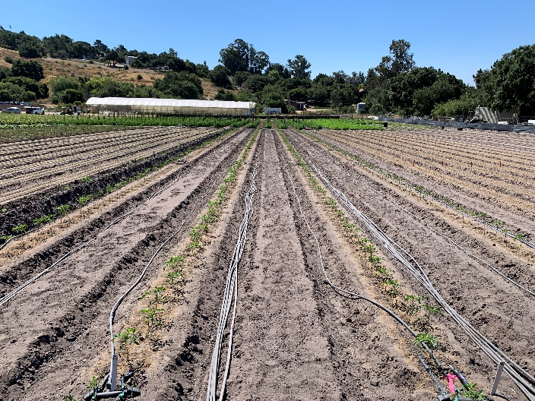
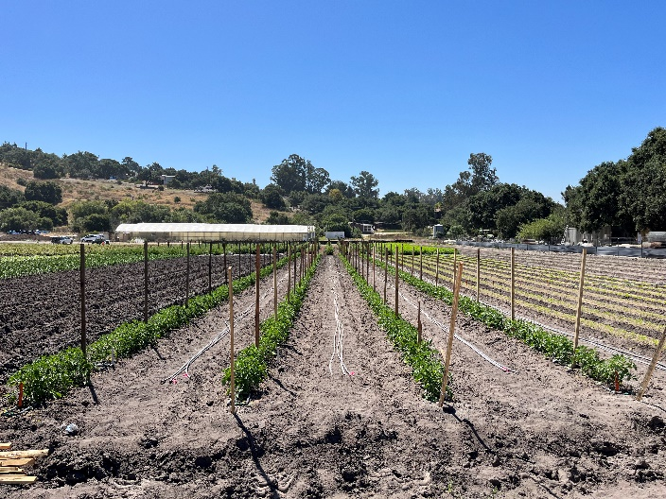

Photo 1: 07/13/23 (13 DA-A). Overview.
Photo 2: 07/28/23 (28 DA-A). Overview.

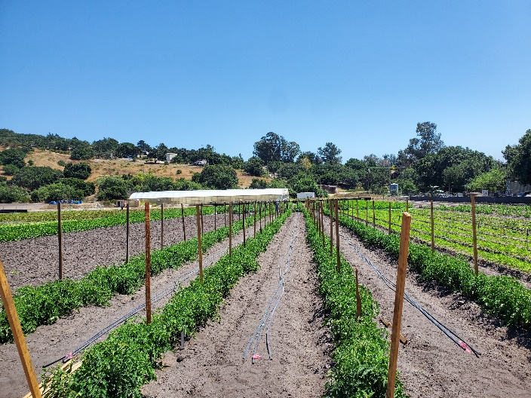
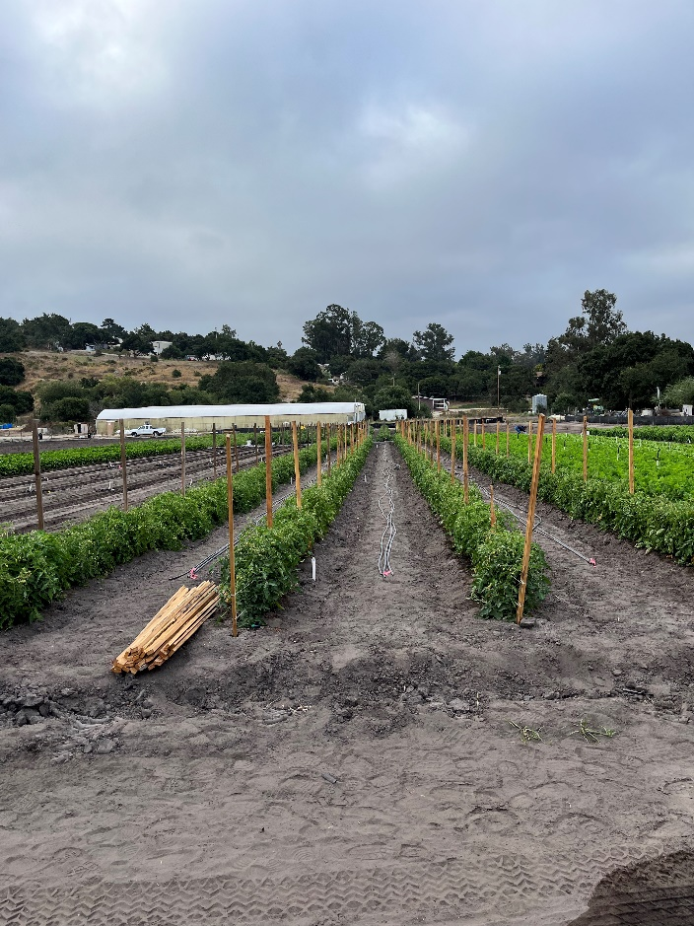

Photo 3: 08/11/23 (42 DA-A). Overview.
Photo 4: 08/25/23 (56 DA-A). Overview.

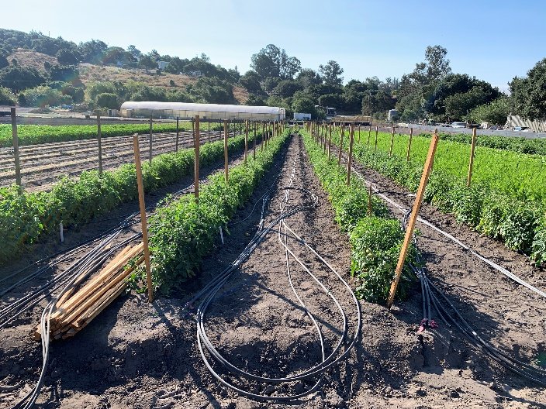
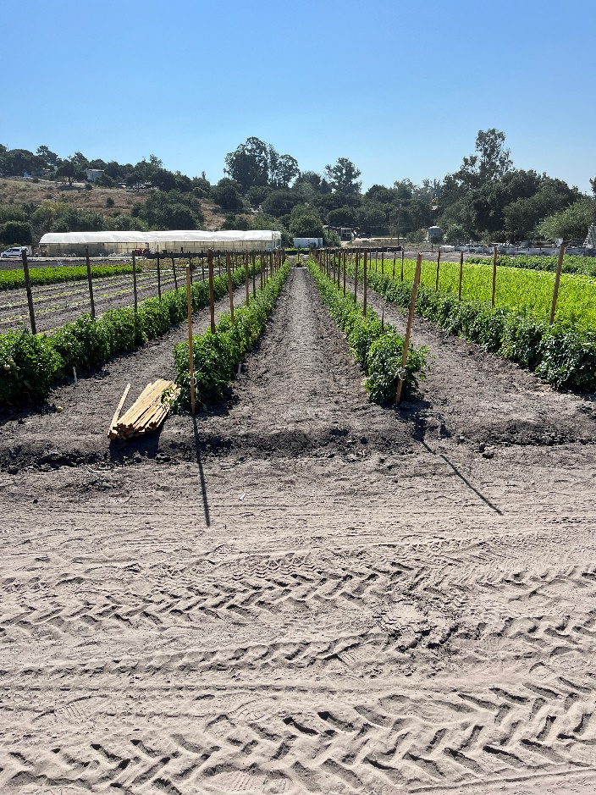

Photo 5: 09/08/23 (14 DA-A). Overview.
Photo 6: 09/19/23 (25 DA-A). Overview.

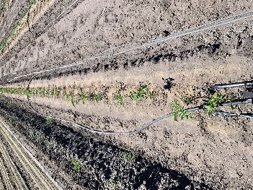
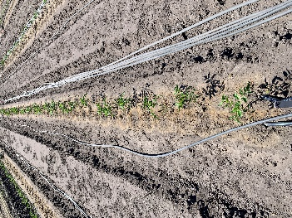
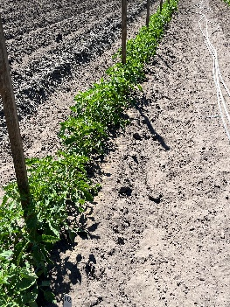
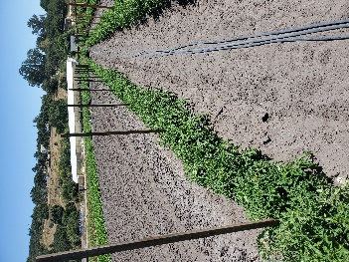
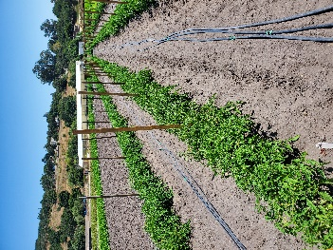
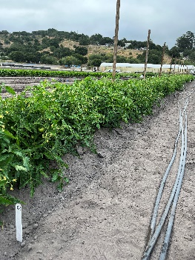

Photo 7: 07/13/23
(13 DA-A).
Photo 8: 07/28/23
(28 DA-A).
Photo 9: 08/11/23
(42 DA-A).
Photo 10: 08/25/23
(56 DA-A).

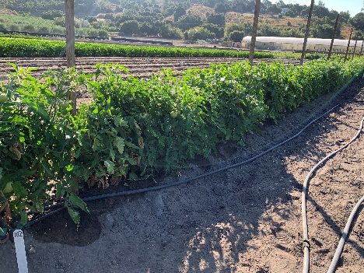
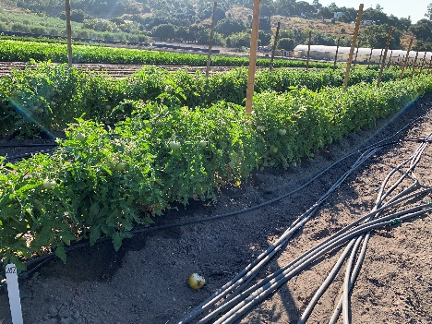
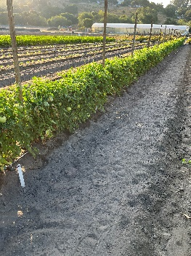
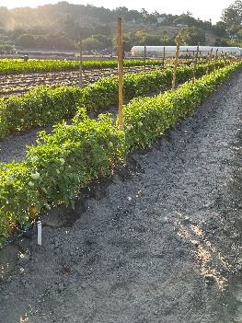

Photo 11: 09/08/23
(14 DA-A).
Photo 12: 09/19/23
(25 DA-A).

Untreated Check.

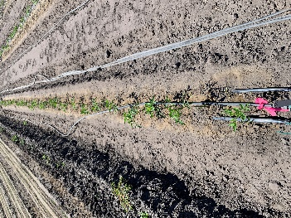
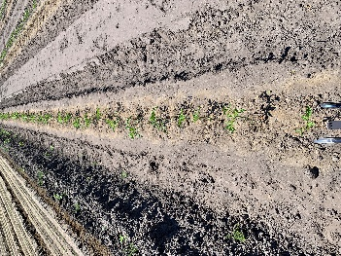
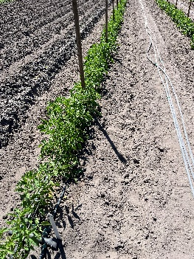
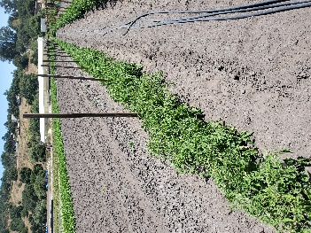
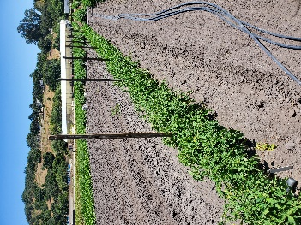
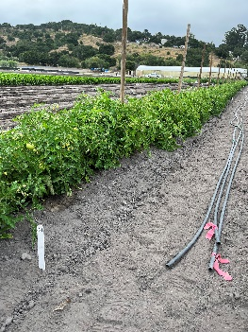

Photo 13: 07/13/23
(13 DA-A).
Photo 14: 07/28/23
(28 DA-A).
Photo 15: 08/11/23
(42 DA-A).
Photo 16: 08/25/23
(56 DA-A).

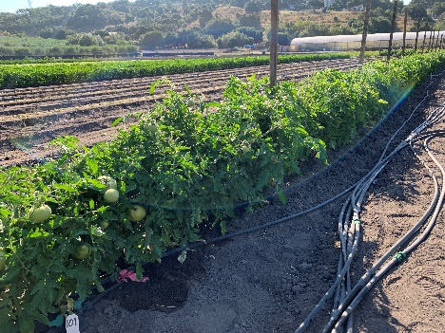
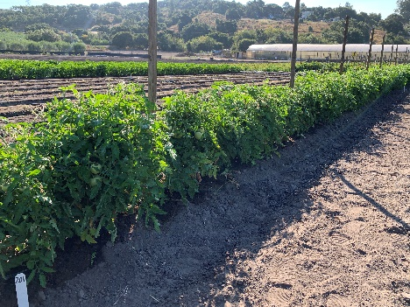
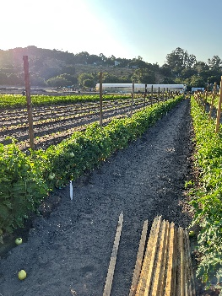
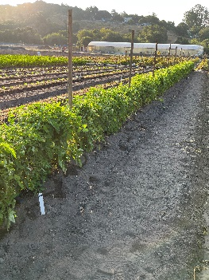

Photo 17: 09/08/23
(14 DA-A).
Photo 18: 09/19/23
(25 DA-A).

